REPORT
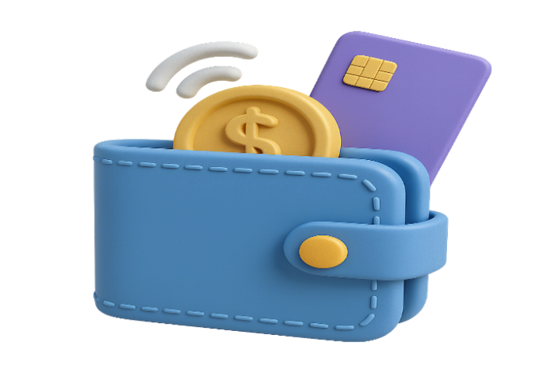
Digita Wallet Transaction

Total Paied Amount
$24,660,164
Total Transaction
5000
Total Of Loyalty Points
2493952
Total Of Cashback
$253,294
Total Of Transaction Fee
$125,944

Percent of transactions status
 | Total
Failed | $733,057
Pending | $489,619
Successful | $23,437,488
Percent of location
 | Total
Rural | $2,512,166
Suburban | $4,988,365
Urban | $17,159,633
Payment Method
 | Total
Bank Transfer | $5,191,536
Credit Card | $4,863,563
Debit Card | $5,133,610
UPI | $4,872,313
Wallet Balance | $4,599,141

Top Merchants
 | Total
Udemy | 62
Max Life | 63
Hotstar | 63
Carnival Cinemas | 65
Mumbai Water | 66
Unacademy | 69
Netflix | 72
MakeMyTrip | 85
Flipkart | 102
Airbnb | 106
Total Transaction amount For Each Category
 | Total Paied Amount | Count of transaction_id
Streaming Service | $1,454,863 | 299
Education Fee | $1,342,392 | 286
Hotel Booking | $1,312,840 | 274
Water Bill | $1,393,431 | 273
Movie Ticket | $1,329,755 | 272
Food Delivery | $1,310,115 | 259
Taxi Fare | $1,299,937 | 256
Electricity Bill | $1,239,279 | 252
Rent Payment | $1,251,553 | 251
Gas Bill | $1,355,832 | 250
Loan Repayment | $1,204,980 | 245
Online Shopping | $1,201,305 | 243
Mobile Recharge | $1,190,121 | 241
Grocery Shopping | $1,129,217 | 238
Bus Ticket | $1,109,896 | 235
Internet Bill | $1,241,431 | 233
Gaming Credits | $1,131,281 | 231
Insurance Premium | $1,026,598 | 225
Gift Card | $1,016,897 | 221
Flight Booking | $1,118,444 | 216

Monthly Transactions By Total Amount
 | Total
Jul | $2,189,262
Mar | $2,149,380
May | $2,146,195
Dec | $2,145,680
Aug | $2,111,020
Oct | $2,035,932
Jun | $2,014,348
Jan | $2,006,365
Nov | $1,997,644
Feb | $1,980,360
Apr | $1,945,393
Sep | $1,938,586
Rush Hour For Transaction
 | Total
12 AM | 214
7 AM | 219
10 AM | 226
11 AM | 220
2 PM | 227
5 PM | 210
7 PM | 225
9 PM | 217
10 PM | 217
11 PM | 220

